Week 2
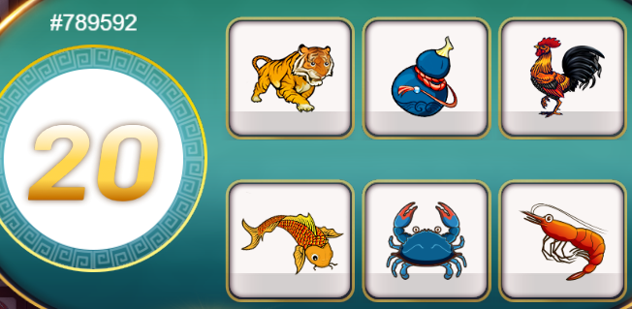
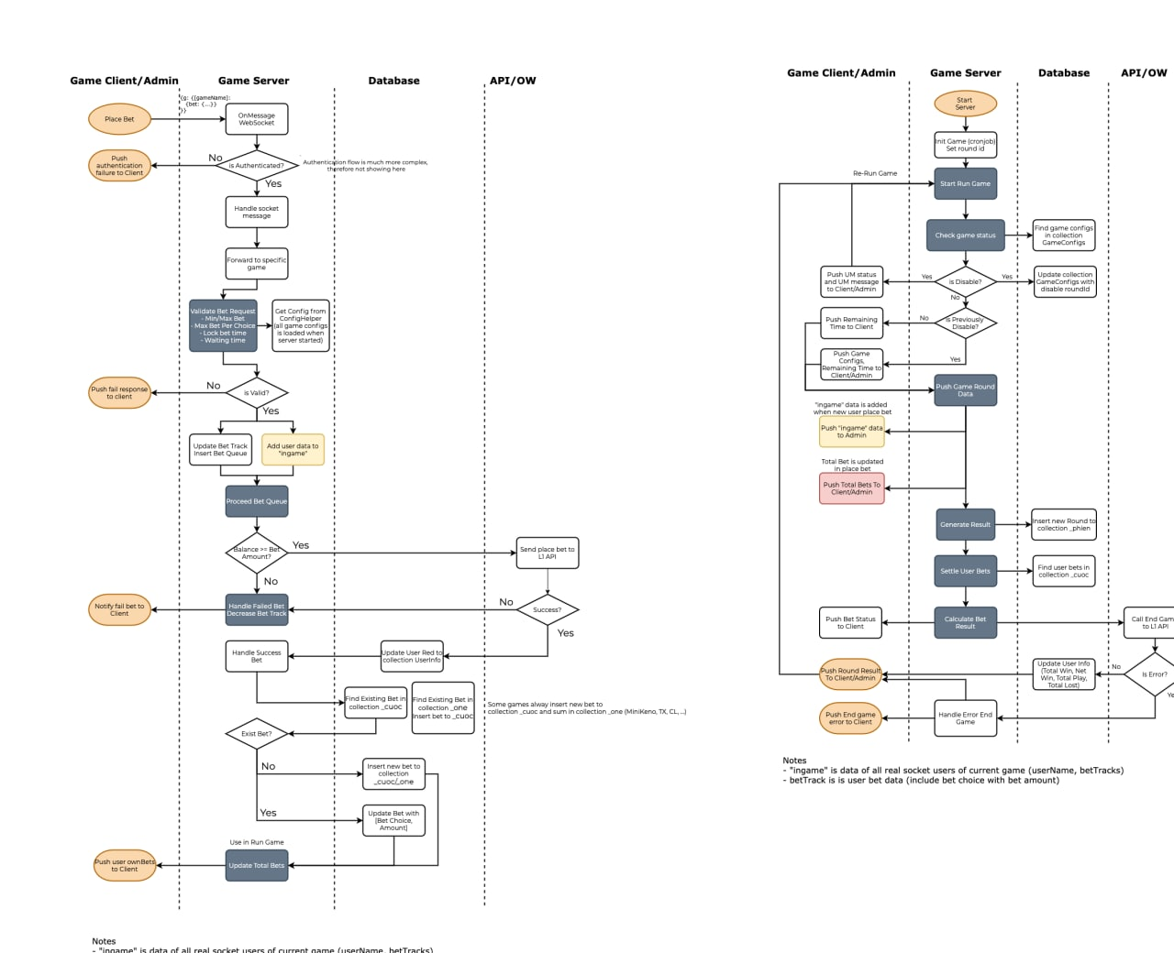
Exercise | Name | Description
1 | Async/Await | #0) Must use Javascript for server side and typescript for client size #1) "follow this toturial to build a local host web server https://expressjs.com/en/starter/hello-world.html then write an api endpoint return these data {""gameId"":1, ""iconSize"":""big"",""sortOrder"":6} {""gameId"":2, ""iconSize"":""small"",""sortOrder"":4} {""gameId"":3,""iconSize"":""medium"",""sortOrder"":2} {""gameId"":4,""iconSize"":""small"",""sortOrder"":5} {""gameId"":5,""iconSize"":""small"",""sortOrder"":8,""chips"":[]} {""gameId"":6,""iconSize"":""small"",""sortOrder"":7} {""gameId"":7,""iconSize"":""big"",""sortOrder"":1,""chips"":[]} {""gameId"":8,""iconSize"":""small"",""sortOrder"":3} {""gameId"":10,""iconSize"":""big"",""sortOrder"":9} {""gameId"":20,""iconSize"":""big"",""sortOrder"":10}" #2) use XmlHttpRequest load data from #1 endpoint #3) convert request #2 to promise #4) convert request #2 to async/await #5) after you got all data, then use async/await to write console log each game setting and each log period is 500 miliseconds #6) convert request #5 to promise
2 | Study Game Bau Cua in Game Server Source Code https://git3.nexdev.net/indo-market/game-server | Study items: + Authentication + Join game + Mongoose Models + Place bet (Bet Queue/ Multiple Markets) + Settle (Game Cron) + Admin Control Result + History + Out game + Change Language + Bot + 1W API Error/Disable Game/Disable Market
3 | Implement Bau Cua Game in a standalone Game Service using nodejs | - Client connect to server using Websocket (Socket IO https://socket.io/) - As for demo site, you can implement as simple as you can, bet option can be a button, please don't spend to much time in UI. The game client must be contain: + Bet options + Round ID + Total Bet of current user and other user + Add/Reduce user balance - Implement these items below in game service: + Authentication + Join game + Mongoose Models (Mongo DB) + Place bet (Bet Queue) + Settle (Game Cron) + Out game Resources: https://drive.google.com/file/d/1IQICW5Dxlhi0QTHuhgicn2ywCj7c9EZ_/view?usp=sharing
4 | Write demo game client page to connect to this game service for placebet/settle

Week 3
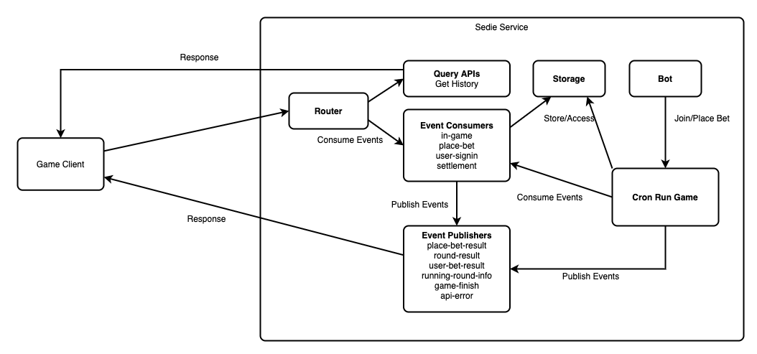
Exercise | Name | Description
1 | Study Game Base http://npm.lumigame.com/-/web/detail/sc-game-base | Support base implementations for SC game services. You can overide the base classes if needed for your detail business app / startup : Inititialize app service, register middlewares in startup like Database, Logger, ... socket/http router : Handle and forward socket/http requests to specific comsumers query-apis : Process the query request from router like get history, get logs event-consumers : Process the requests which need to update database like place bet, ... event-publishers : Work with socket, publish the repsonse data fronm event consumers to client via socket Installation npm set registry http://npm.lumigame.com npm install sc-game-base --save-dev
2 | Use Game Base to implement Bau Cua Game in Week 2 | Authentication Join game Mongoose Models Place bet (Bet Queue) Settle (Game Cron) Admin Control Result History Out game
3 | Using Current System and integrate this game | Game Disable/Enable/MinMaxBet/Odds configuration by admin site Bot Integrate with 1W API

